Project Story Book
 Process Improvement Project - Increasing Quality Time Process owner - Debasis Chatterjee(SUID: 233176962)

Key Dates - Define(10/12 - 10/15) | Measure (10/16 - 10/31) | Analyze (11/01 - 11/08) | Improve (11/09 - 11/24) | Control (11/25 - 12/10)

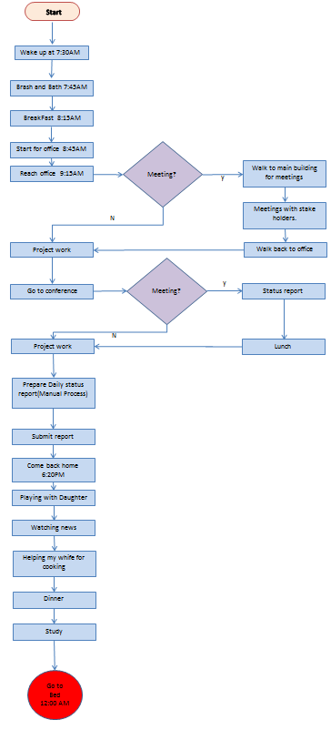 DEFINE Problem Statement : Hard to find quality time with my dayghter. Finding 45minutes to an hour in a day is very challanging in my daily schedule. Optimization of the daily activities: Remove non-value added items and make some process utomated. Buseness Impact: Increase the quality time atleast 2hours which can save $100 per day. This improvement can save around $24000 in a year. | 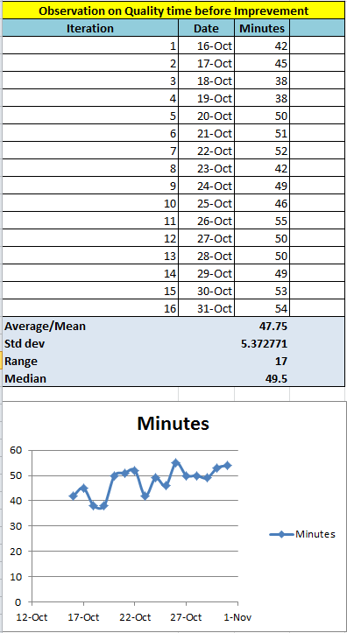 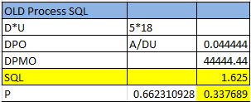 MEASURE | ANALYZE | 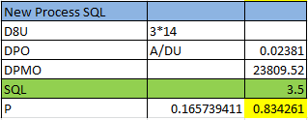 IMPROVE

Alpha = 0.05, Z = -31.20866 P-Value --> 0, Home is rejected.
Mean Quality time increased from 47.75 minutes to 128.44 minutes!
Annual approx savings $24,000/-!
SQL increased 1.625 to 3.5!
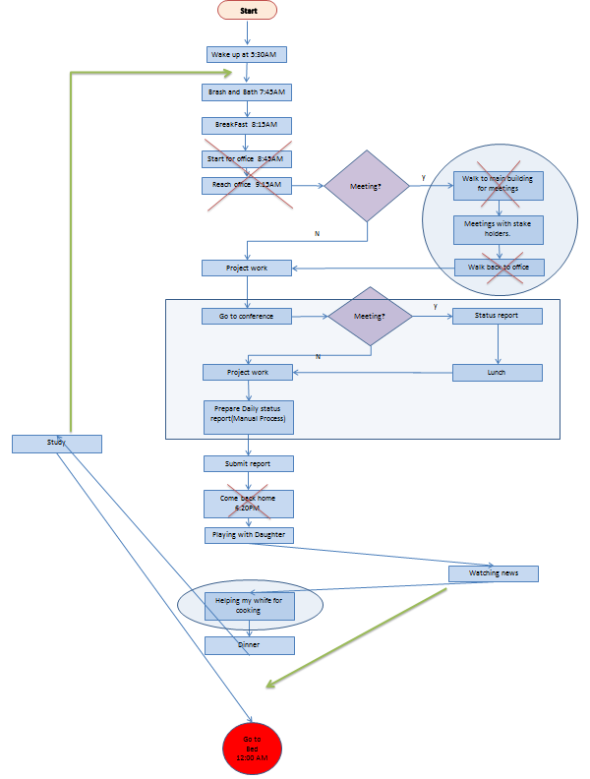
Too many steps!

Success

125 | 0.070332300733
122 | 0.021563233822
121 | 0.012394858034
126 | 0.088915288895
133 | 0.049110320576
128 | 0.11184888162
130 | 0.10224359988
127 | 0.10378518992
128 | 0.11184888162
130 | 0.10224359988
131 | 0.086725009626
132 | 0.067918784089
130 | 0.10224359988
133 | 0.049110320576
129 | 0.11129232838
130 | 0.10224359988

Area Under curve on right

Now 83.42% time I can spend over 125minutes with my daughter.
Remove non value addved steps, optimize activity and automate process
 |  |  | CONTROL

Weekly monitor and review process is in place.
Out of control signal = Action plan. Out of contol means some noise beyond LCL in our case i.e. Xbar - Sigma.

 | Minutes
2018-10-16 | 42
2018-10-17 | 45
2018-10-18 | 38
2018-10-19 | 38
2018-10-20 | 50
2018-10-21 | 51
2018-10-22 | 52
2018-10-23 | 42
2018-10-24 | 49
2018-10-25 | 46
2018-10-26 | 55
2018-10-27 | 50
2018-10-28 | 50
2018-10-29 | 49
2018-10-30 | 53
2018-10-31 | 54
2018-11-09 | 125
2018-11-10 | 122
2018-11-11 | 121
2018-11-12 | 126
2018-11-13 | 133
2018-11-14 | 128
2018-11-15 | 130
2018-11-16 | 127
2018-11-17 | 128
2018-11-18 | 130
2018-11-19 | 131
2018-11-20 | 132
2018-11-21 | 130
2018-11-22 | 133
2018-11-23 | 129
2018-11-24 | 130

42 | 0.041879518355
45 | 0.065136352114
38 | 0.014309074022
38 | 0.014309074022
50 | 0.068018881652
51 | 0.061838104311
52 | 0.054304773228
42 | 0.041879518355
49 | 0.072269984771
46 | 0.070416483073
55 | 0.029875449916
50 | 0.068018881652
50 | 0.068018881652
49 | 0.072269984771
53 | 0.046065416046
54 | 0.0377456708
Only 34% time I could spend over 50minutes Quality time with my daughter before improvement
SQL: 3.5

SQL: 1.625
After Improvement

Before
Area Under curve on right

Hypothesis Test:
H0 : U2 <= U1
Ha: U2 > U1

Define-Measure
Problem Definition Worksheet:
A. Problem statement. My five years daughter feels that I am not spending times with her and always busy with my work and higher study and she is been ignore by me. As an effect while she draws family picture she discard me from her picture but does not forget to add other family members. When one day I was making fun with her and tried to pretend daddy is very sad as she did not add daddy in her picture. In reply she told me that now a days daddy is not spending time with her, not going out with her, not play with her and not spending enough time.
Few days before, probably she was expecting me to play with her, she was standing a little far from me and that time I was really stuck in my work. She probably waits for sometimes and she noticed that I was doing something in my laptop. Then she told her mummy that daddy is working so hard now a days and studying day & night. I realized that she is really sad about it and I should desperately do something to improve our relationship at earliest.
B. Business impact. This is the relation between the family members, especially between a daddy and a daughter. My daughter is very jolly and outspoken. But she became very quiet now a day. This is not good! She is only five, she just started her life. If she feels she is ignored and by mistake she adopt some other means then it will cost more and she has way to go in her life. What my wife and me are doing is everything for our family and for our daughter. If she derailed because of the loneliness or ignorance all our earnings and hard works will be meaningless. We are spending so much for her extra curriculum (music, swimming, ice skating) which basically she loves to do. But I feel she is not enjoying them as she expects daddy to go with her and I am not able to make my time.
I have to fix this within a month. Broken relationship costs more than anything and can’t be measured in dollar. But if I come straight for instant loss I might lose couple of thousand that I am spending behind her classes and extra curriculums.
When I will see the smile is back on my daughter’s face and she put me back in her family picture and she happily shares her day events with me and my wife, when she won’t feel ignored and started enjoying her loving activities like music, dancing, swimming, ice skating e.t.c, I would feel that my process brought success.
Currently she is going to after school day care for 2 hours from 4:20PM to 6:20PM which cost me additional $100 each day. If I can manage time and can come back home at the time she backs from school then two things will happen one I can spend quality time with her and can save $100 per day over the course of a year = $24000 per year.
Here the key output is my daughter’s success.
Y_{s =} Daughter’s Success
Y_{s} = f(x₁, x₂, Q_{t}, x₃, x₄…)
Problem area = Q_{t,} at this moment other X factor can be ignored. As I know Q_{t} is causing problem.
Q_{t =} Quality time
Where Q_{t} = f(H_{c}, O_{w}, H_{s}, S_{t}, E_{t})
H_{c} = Health Condition
O_{w} = Office Work
H_{s} = Higher study
S_{t} = Sleeping time
E_{t} = Entertainment time
C. Goals. This is a nested goal in nature. Even though ultimate goal is to see success in my daughter’s life but the initial goal is to spend quality time with her as this is the problem area in her success. Other factors are not prominent at this age so they can be ignored for now. Currently I have hardly 1hr in a day to spend with her. I am looking for to save another hour so that I can spend more hours and can save extra spending going towards for after school day care.
D. Project scope. Identify improvements to reduce and adjust event hours and finding more overlap with my daughter’s day charter. I can’t make any change to Office Work timing or schedule. The first step is that I have to stop after hours office work. Last and foremost thing is that I have to find more overlap with my daughter’s schedule.
E. Team. I am the process owner. I need my wife and daughter to be involved to validate the continuity.
F. Project plan (very high-level).
Activity Begin End
Define 10/12 10/15
Measure 10/16 10/31
Analyze 11/01 11/08
Improve 11/09 11/24
Control 11/25 12/05
Track Benefits 12/06 12/10
Data Measurement Plan Data Stratification Tree :
As Y= f(x1,x2,x3…..). Here Y is out expected output for quality time and x is the input factors needs to be optimized. We have captured our quality time for 16 days before process improvement and another 16 days after process improvement. Quality time is effected by daily scheduled activities. So daily scheduled activities needs to be monitored and optimized for improvised process.
Data is captured manually with very precision using apple stop watch by me. Two type of measurement have been taken. Time measured for each activity throughout the day and processed quality time spend each day before and after improvement throughout the project. It is noticed that before improvement there was maximum 18 activities in a day which is optimized to 14 activities at maximum in a day.
This process could save additional $100 each day over the course of a year = $24000 per year.
Time is a continuous Data. I had very limited time to collect the sample. In my process rick is less because minute or seconds difference does not really make any change to my quality life where as I am looking for to improve 50 minutes to 120 minutes quality time. Larger sample size would be great, but still in one tree hypothesis test n1+n2 = 32 days sample is quite good to measure and analyze.
There could be having some error of seconds. This delta is really very negligible. To avoid this error ‘seconds’ or ‘milliseconds’ can be measured to in future during control.

High Level Process Map
Start

Identify Process Owners

Track
Benefits
Identify and define the Defunction Quality Time

Measure and develop a Data collection Plan

Implement Long term QT.
Valid?
Flowchart nodes and Key
Analyze and Determine the Root Cause for Defunction Quality Time
No
Terminator

Process

Develop/Select Pilot solutions for Quality Time
Connector

Yes

Prevent Reocurrence
Decision

Track
Benefits

Flow Line
End

Process Improvement Plan
Start
Start
Start

Wake up at 7:30AM
Wake up at 5:30AM
Wake up at 5:15AM

Brash and Bath 5:45AM
Brash and Bath 7:45AM
Brash and Bath 7:45AM

Study
BreakFast 8:15AM
BreakFast 8:15AM

BreakFast 8:15AM
Start for office 8:45AM
Meeting?
Start for office 8:45AM
Meeting?
Meeting?
y
y
Reach office 9:15AM
Walk to main building for meetings
Reach office 9:15AM
Walk to main building for meetings
Login to office from Home
Meetings with stake holders through Webex
y

Meetings with stake holders.
Meetings with stake holders.
N
N
N

Project work
Walk back to office
Project work
Walk back to office
Project work
Meeting?
Process Improvement
Meeting?
Improved Process
y
y
Lunch
Go to conference
Status report
Go to conference
Status report

Project work

N
N
Project work
Lunch
Ask Team to send daily report in a template
Project work
Lunch

Prepare Daily status report(Manual Process) for the whole team
Prepare Daily status report(Manual Process) for the whole team
Submit report

Study

Submit report
Submit report
Log out from Office network 4:20PM

Come back home 6:20PM
Come back home 6.20PM
Playing with Daughter

Playing with Daughter
Playing with Daughter
Helping my whife for cooking(Shift from Asian food to American or Mexican/Chinise food)

Watching news
Watching news

Helping my whife for cooking
Helping my whife for cooking
Dinner

Dinner
Dinner
Watching News

Study

Go to Bed 12:00 AM
Go to Bed 12:00 AM
Go to Bed 10:00 PM

Measure-Analyze-Improve
TIME Continuous Data (Measurement)

Old Process |  |  |  |  | New Process
Activity | Minutes | End time | Observed |  | Activity | Minutes | End time | Observed
Brash & Bath | 45 | 8:15:00 | 8:15:00 |  | Brash & Bath | 30 | 5:45:00 | 5:45:00
Breakfast | 30 | 8:45:00 | 8:45:00 |  | Study | 150 | 8:15:00 | 8:15:00
Office travel | 30 | 9:15:00 | 9:20:00 |  | Breakfast | 30 | 8:45:00 | 8:45:00
Walking to main building | 15 | 9:30:00 | 9:35:00 |  | Project Work | 45 | 9:30:00 | 9:30:00
Meeting | 120 | 11:30:00 | 11:35:00 |  | Meeting | 120 | 11:30:00 | 11:30:00
Back to office | 15 | 11:45:00 | 11:45:00
Project Work | 30 | 12:15:00 | 12:15:00 |  | Project Work | 60 | 12:30:00 | 12:30:00
conference room | 5 | 12:20:00 | 12:20:00
Meeting | 30 | 12:50:00 | 12:50:00
Lunch | 10 | 13:00:00 | 13:00:00 |  | Lunch | 30 | 13:00:00 | 13:00:00
Project Work | 180 | 16:00:00 | 16:00:00 |  | Project Work | 180 | 16:00:00 | 16:00:00
Report Preparation and submit | 60 | 5:00:00 | 5:00:00 |  | Report collection and submit | 20 | 16:20:00 | 16:30:00
Home travel | 50 | 17:50:00 | 18:15:00
Quality time | 40 | 18:30:00 | 18:30:00 |  | Quality time | 130 | 18:30:00 | 18:30:00
Watching news | 30 | 19:00:00 | 19:00:00 |  | Helping wife in cooking | 30 | 19:00:00 | 19:00:00
Helping wife in cooking | 90 | 20:30:00 | 20:30:00 |  | Dinner | 30 | 19:30:00 | 19:30:00
Dinner | 30 | 21:00:00 | 21:00:00 |  | Watching news/Movies | 90 | 21:00:00 | 21:00:00
Study | 180 | 0:00:00 | 0:00:00 |  | Study | 60 | 22:00:00 | 22:00:00

 |  |  |  |  |  |  |  |  | Analyze
Observation on Quality time before Imprevement |  |  |  |  | Observation on Quality time after Improvement |  |  |  | Hypothesis Testing | Green Chart | n1 + n2 | >=30 | Alpha = 0.05
Iteration | Date | Minutes |  |  | Iteration | Date | Minutes |  |  | One Tail Test | Large Sample |  | Z = -31.20866 | P=0
1 | 2018-10-16 | 42 |  |  | 1 | 2018-11-09 | 125 |  | H0 : U2 <= U1 | Lower/Left Tail
2 | 2018-10-17 | 45 |  |  | 2 | 2018-11-10 | 122 |  | Ha: U2 > U1
3 | 2018-10-18 | 38 |  |  | 3 | 2018-11-11 | 121 |  | Old Process |  |  |  | New Process
4 | 2018-10-19 | 38 |  |  | 4 | 2018-11-12 | 126 |  | Minutes | Distribution | Average | Std dev | Minutes | Distribution | Average | Std dev
5 | 2018-10-20 | 50 |  |  | 5 | 2018-11-13 | 133 |  | 42 | 0.041879518355 | 47.75 | 5.3727708556 | 125 | 0.070332300733 | 128.4375 | 3.5396562922
6 | 2018-10-21 | 51 |  |  | 6 | 2018-11-14 | 128 |  | 45 | 0.065136352114 |  |  | 122 | 0.021563233822
7 | 2018-10-22 | 52 |  |  | 7 | 2018-11-15 | 130 |  | 38 | 0.014309074022 |  |  | 121 | 0.012394858034
8 | 2018-10-23 | 42 |  |  | 8 | 2018-11-16 | 127 |  | 38 | 0.014309074022 |  |  | 126 | 0.088915288895
9 | 2018-10-24 | 49 |  |  | 9 | 2018-11-17 | 128 |  | 50 | 0.068018881652 |  |  | 133 | 0.049110320576
10 | 2018-10-25 | 46 |  |  | 10 | 2018-11-18 | 130 |  | 51 | 0.061838104311 |  |  | 128 | 0.11184888162
11 | 2018-10-26 | 55 |  |  | 11 | 2018-11-19 | 131 |  | 52 | 0.054304773228 |  |  | 130 | 0.10224359988
12 | 2018-10-27 | 50 |  |  | 12 | 2018-11-20 | 132 |  | 42 | 0.041879518355 |  |  | 127 | 0.10378518992
13 | 2018-10-28 | 50 |  |  | 13 | 2018-11-21 | 130 |  | 49 | 0.072269984771 |  |  | 128 | 0.11184888162
14 | 2018-10-29 | 49 |  |  | 14 | 2018-11-22 | 133 |  | 46 | 0.070416483073 |  |  | 130 | 0.10224359988
15 | 2018-10-30 | 53 |  |  | 15 | 2018-11-23 | 129 |  | 55 | 0.029875449916 |  |  | 131 | 0.086725009626
16 | 2018-10-31 | 54 |  |  | 16 | 2018-11-24 | 130 |  | 50 | 0.068018881652 |  |  | 132 | 0.067918784089
Average/Mean |  | 47.75 |  |  |  |  | 128.4375 |  | 50 | 0.068018881652 |  |  | 130 | 0.10224359988
Std dev |  | 5.3727708556 |  |  |  |  | 3.5396562922 |  | 49 | 0.072269984771 |  |  | 133 | 0.049110320576
Range |  | 17 |  |  |  |  | 12 |  | 53 | 0.046065416046 |  |  | 129 | 0.11129232838
Median |  | 49.5 |  |  |  |  | 129.5 |  | 54 | 0.0377456708 |  |  | 130 | 0.10224359988

Compare Chart | Date | Minutes |  | Improvement
 | 2018-10-16 | 42
 | 2018-10-17 | 45 |  |  |  |  |  |  | OLD Process SQL
 | 2018-10-18 | 38 |  |  |  |  |  |  | D*U | 5*18
 | 2018-10-19 | 38 |  |  |  |  |  |  | DPO | A/DU | 0.044444444444
 | 2018-10-20 | 50 |  |  |  |  |  |  | DPMO |  | 44444.444444
 | 2018-10-21 | 51 |  |  |  |  |  |  | SQL |  | 1.625
 | 2018-10-22 | 52 |  |  |  |  |  |  | P | 0.66231092788 | 0.33768907212
 | 2018-10-23 | 42 |  |  |  |  |  |  | New Process SQL
 | 2018-10-24 | 49 |  |  |  |  |  |  | D8U | 3*14
 | 2018-10-25 | 46 |  |  |  |  |  |  | DPO | A/DU | 0.02380952381
 | 2018-10-26 | 55 |  |  |  |  |  |  | DPMO |  | 23809.52381
 | 2018-10-27 | 50 |  |  |  |  |  |  | SQL |  | 3.5
 | 2018-10-28 | 50 |  |  |  |  |  |  | P | 0.16573941105 | 0.83426058895
 | 2018-10-29 | 49
 | 2018-10-30 | 53
 | 2018-10-31 | 54
 | 2018-11-09 | 125
 | 2018-11-10 | 122
 | 2018-11-11 | 121
 | 2018-11-12 | 126
 | 2018-11-13 | 133
 | 2018-11-14 | 128
 | 2018-11-15 | 130
 | 2018-11-16 | 127
 | 2018-11-17 | 128
 | 2018-11-18 | 130
 | 2018-11-19 | 131
 | 2018-11-20 | 132
 | 2018-11-21 | 130
 | 2018-11-22 | 133
 | 2018-11-23 | 129
 | 2018-11-24 | 130

